Device Tracker
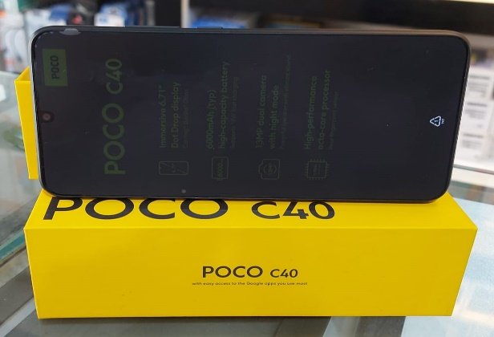
Provide 100 Learning Devices for Students in Syria |  | cost
Item Name | Xiaomi Poco C40 | $99.00
Description | Black color, Dual SIM
Storage | 64GB of storage and 4GB of RAM
Screen | 6.71-inch IPS LCD screen
Cameras | Rear cameras of 13+2MP and a 5MP front camera
Battery | 6000 mA
Processor | JLQ JR510 processor
Accessories | Mobile Stand | $1.00
Education | School Education: Provides free academic education, explaining school courses according to the approved curricula in an interactive manner through remote learning applications. | $20.00
 | Student Activities: Offers practical programs, opportunities, and activities for students to engage in, either in the field or remotely. This track includes extracurricular activities through sessions and courses given by trained specialists in a safe and stimulating interactive environment.
 | Academic Advising: Helps students identify their abilities and professional inclinations, secures appropriate academic and professional opportunities, and assists students in choosing the best academic or professional specialization without wasting money, effort, and time.
 | Student Affairs: Maintains direct contact with students, monitors their status, communicates with them, provides guidance, and meets their needs throughout the day, even outside of class hours.
 | Technical Support: Provides guidance and solutions for any problems students may face, increases students' technological literacy, and enables them to deal with technology to ensure full benefit from our services for all beneficiaries.
Total |  | $120.00

