Device Tracker
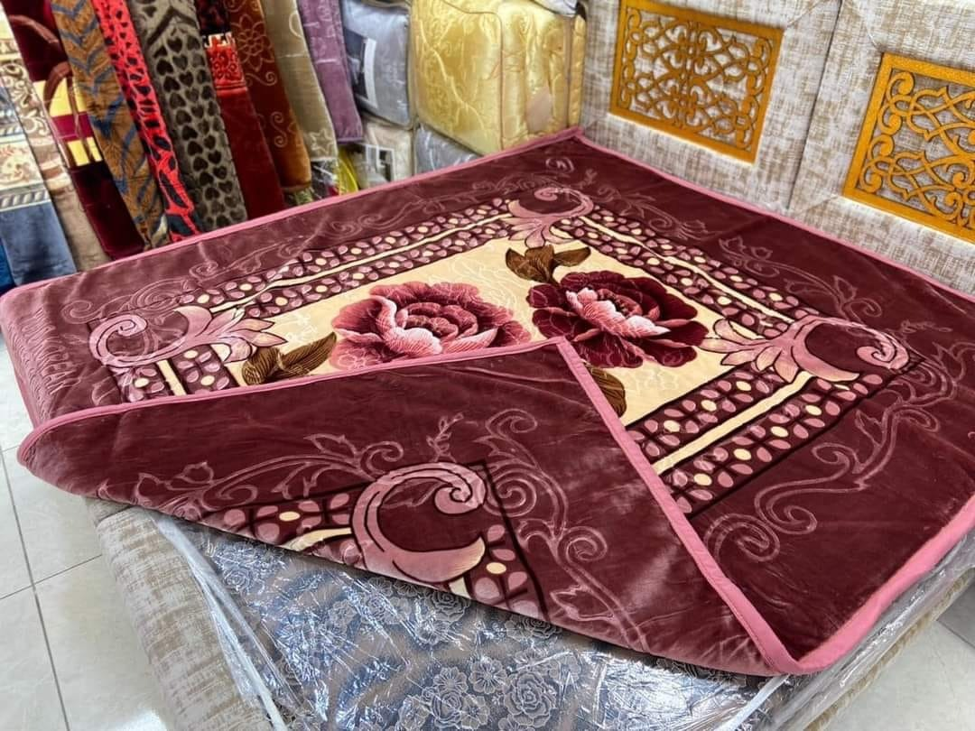
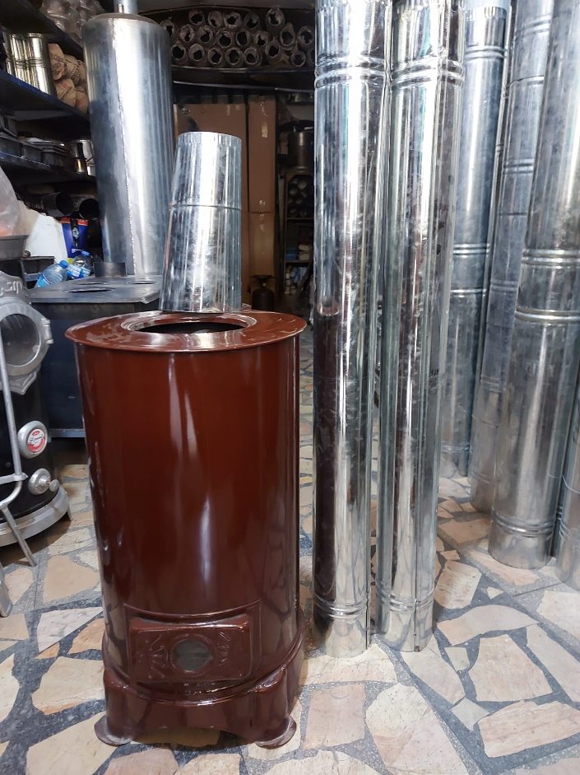
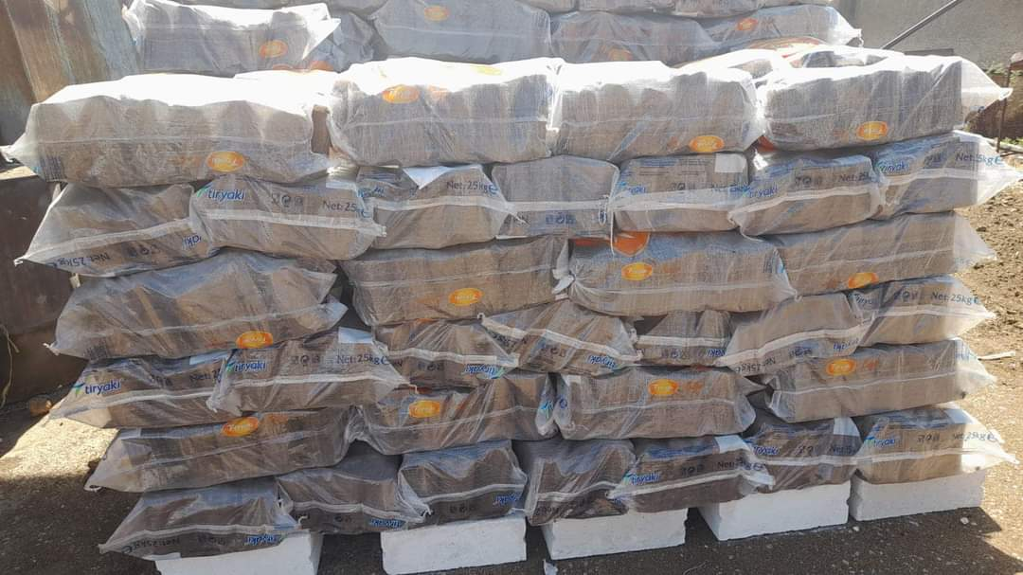
Provide warmth to 100 families in Northern Syria |  | cost
Item Name | Heater | $25.00
Description | First-class Turkish cage-type heater
Accessories | Ventilation pipes
Count | 1
Item Name | Velvet blanket | $13.00
Count | 1
Item Name | Olive cake fuel | $12.00
Description | A byproduct of olive oil production, recycled for heating purposes and used as an environmentally friendly type of fuel
Education | School Education: Provides free academic education, explaining school courses according to the approved curricula in an interactive manner through remote learning applications. | $20.00
 | Student Activities: Offers practical programs, opportunities, and activities for students to engage in, either in the field or remotely. This track includes extracurricular activities through sessions and courses given by trained specialists in a safe and stimulating interactive environment.
 | Academic Advising: Helps students identify their abilities and professional inclinations, secures appropriate academic and professional opportunities, and assists students in choosing the best academic or professional specialization without wasting money, effort, and time.
 | Student Affairs: Maintains direct contact with students, monitors their status, communicates with them, provides guidance, and meets their needs throughout the day, even outside of class hours.
 | Technical Support: Provides guidance and solutions for any problems students may face, increases students' technological literacy, and enables them to deal with technology to ensure full benefit from our services for all beneficiaries.
Total |  | $70.00

