BUDGET
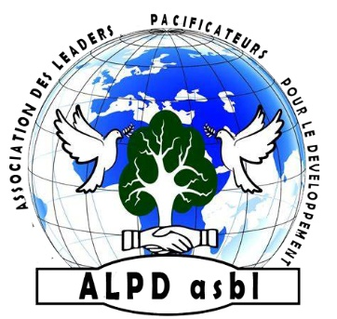
ASSOCIATION DES LEADERS PACIFICATEURS POUR LE DEVELOPPEMENT

ALPD asbl
N°F92/42.733
E-mail : alpdrdc2015@gmail.com

BUDGETISATION

N° | LIBELLE | QUANTITE | PU($) | PT($)
01 | PASTRY TRAINING
02 | 01. For Doughnuts
03 | Large cooking pots | 7 | 60 | 420
04 | Mixing basins | 7 | 30 | 210
05 | Bags of flour | 7 | 40 | 280
06 | Bags of sugar | 8 | 80 | 640
07 | Oil containers | 14 | 60 | 840
08 | Ingredients | 1 | 800 | 800
09 | Charcoal bags | 7 | 50 | 350
10 |  |  | SUBTOTAL | 3540
11 | 02. For Patties
12 | Mixing basins | 7 | 30 | 210
13 | Bags of flour | 7 | 40 | 280
14 | Bags of sugar | 7 | 80 | 560
15 | Ingredients | 1 | 1500 | 1500
16 | Waffle makers | 7 | 50 | 350
17 |  |  | SUBTOTAL | 2900
18 | 03. For Pancake
19 | Mixing basins | 7 | 30 | 210
20 | Bags of flour | 7 | 40 | 280
21 | Bags of sugar | 7 | 80 | 560
22 | Ingredients | 1 | 1510 | 1510
23 | Tables | 7 | 80 | 560
24 | Frying pans | 7 | 30 | 210
25 | Pancake boards | 7 | 20 | 140
26 | Skimmers | 7 | 10 | 70
27 |  |  | SUBTOTAL | 3540
28 | 04. Trainers’ Payment
29 | Trainers (3 in pastry and 1 in entrepreneurship) | 4 | 300 | 1200
30 | Transport for trainers | 4 | 20 | 80
31 |  |  | SUBTOTAL | 1280
32 | 05. Reintegration Kits
33 | Large cooking pots | 70 | 60 | 4200
34 | Mixing basins | 70 | 30 | 2100
35 | Bags of flour | 70 | 40 | 2800
36 | Bags of sugar | 70 | 80 | 5600
37 | Oil containers | 70 | 60 | 4200
38 | Ingredients | 70 | 200 | 14000
39 | Charcoal bags | 70 | 50 | 3500
40 | Waffle makers | 70 | 50 | 3500
41 | Frying pans | 70 | 30 | 2100
42 | Pancake boards | 70 | 20 | 1400
43 | Skimmers | 70 | 10 | 700
44 |  |  | SUBTOTAL | 44100
45 | 06. Annual Salary for Beneficiary Supervisors
46 | Supervisors | 4 | 4800 | 19200
47 | Project manager’s salary | 1 | 6000 | 6000
48 | Transport for supervisors | 4 | 360 | 1440
49 |  |  | SUBTOTAL | 26640
50 |  |  | PROJECT COST | 82000
51 | Operating expenses |  | 10% Project cost | 8200
52 | Contingency |  | 5% | 4100
53 |  |  | GRAND TOTAL | 94300

