Feuil1
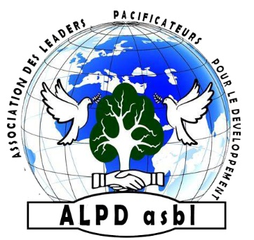
ASSOCIATION DES LEADERS PACIFICATEURS POUR LE DEVELOPPEMENT

ALPD asbl
N°F92/42.733
E-mail : alpdrdc2015@gmail.com

BUDGETISATION

N° | DESCRIPTION | QUANTITY | PU($) | PT($)
01 | 01. Prevention
02 | Installation of handwashing stations | 100 | 70 | 7000
03 | Wash kits, awareness-raising soaps, hygiène kits | 100 | 40 | 4000
04 | Chlorine (kg) | 50 | 30 | 1500
05 | Medical kits; PPE, thermometers, hand sanitizer | 100 | 50 | 5000
 |  |  | Sub-Total | 17500
06 | 02.Community mobilization
07 | Printing of posters in local languages | 500 | 25 | 12500
 |  |  | Sub-Total | 12500
08 | 03. Surveillance and alert
09 | Training of community focal points | 50 | 400 | 20000
10 | Techical kits for epidemic response | 80 | 25 | 2000
11 | Communication | 50 | 50 | 2500
 |  |  | Sub-Total | 24500
12 | 04. Logistics
13 | Transport | 10 | 1500 | 15000
14 | Fuel (liter) | 2000 | 1.5 | 3000
15 | Infection preventionand control(IPC) kit management | 1 | 1000 | 1000
 |  |  | Sub-Total | 19000
16 | 05. Coordination
17 | Meetings | 10 | 200 | 2000
18 | Monitoring and evaluation | 3 | 500 | 1500
19 | Local staff | 10 | 300 | 3000
20 |  |  | Sub-Total | 6500
 |  |  | PROJECT COST | 80000
52 | 06. Contingency |  | 10% | 8000
53 |  |  | GRAND TOTAL | 88000

