Feuil1
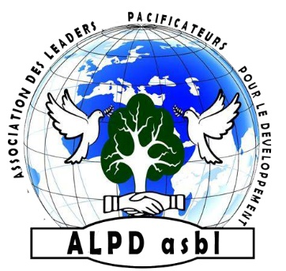
ASSOCIATION DES LEADERS PACIFICATEURS POUR LE DEVELOPPEMENT

ALPD asbl
N°F92/42.733
E-mail : alpdrdc2015@gmail.com

BUDGETISATION

N° | DESCRIPTION | QUANTITY | Unit Price($) | Total Price($)
01 | Inputs for training |  |  | C
02 | Motor welder | 2 | 1000.0 | 2000
03 | Welding station | 10 | 300.0 | 3000
04 | Meleuse | 10 | 200.0 | 2000
05 | Drill | 10 | 150.0 | 1500
06 | Tools | 10 | 150.0 | 1500
07 | Chopsticks | 10 | 400.0 | 4000
08 |  |  | Subtotal | 14000
09 | Master Trainers' salaries
10 | Number of trainers | 2 | 1500 | 3000
11 |  |  | Subtotal | 3000
12 | Reintegration kits
13 | Motor welder | 30 | 1000 | 30000
14 | Welding station | 30 | 250 | 7500
15 | Meleuse | 30 | 200 | 6000
16 | Drill | 30 | 100 | 3000
17 | Tools | 30 | 150 | 4500
18 | Chopsticks | 30 | 400 | 12000
19 |  |  | Subtotal | 63000
20 |  |  | PROJECT COST | 80000
21 | 04. Contingency |  | 10% | 8000
22 |  |  | GRAND TOTAL | 88000

